Sheet1
 |  | Determination of Surface Energy of Silanized Sylgard Surfaces

Time of Silanization | Liquid | Room Temperature Surface Tension (mN/m) | Dispersive Component (mN/m) | Polar Component (mN/m) | Contact Angle (degrees) | Θ (in radians) | cos Θ
5 min | water | 72.8 | 26.4 | 46.4 | 110.72 | 1.9324285478 | -0.3538013538
5 min | ethylene glycol | 47.7 | 26.4 | 21.3 | 90.02 | 1.5711453926 | -0.00034906584331
5 min | toluene | 28.4 | 26.4 | 0 | 29.65 | 0.51749012322 | 0.86906355289

10 min | water | 72.8 | 26.4 | 46.4 | 107.65 | 1.8788469398 | -0.30320159129
10 min | ethylene glycol | 47.7 | 26.4 | 21.3 | 95.07 | 1.6592845199 | -0.088372758823
10 min | toluene | 28.4 | 26.4 | 0 | 31.74 | 0.55396750458 | 0.8504440537

Zisman Method Output:

1] 5 minutes silanized Sylgard |  |  | 2] 10 min silanized Sylgard

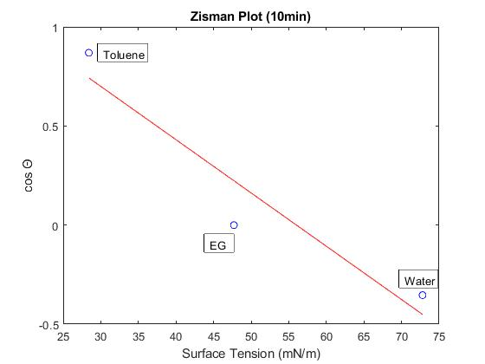
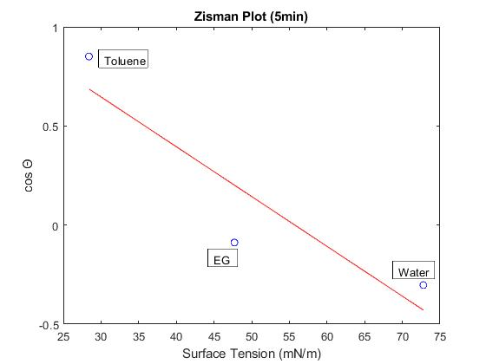

OWRK/Fowkes Method Output:

1] 5 minutes silanized Sylgard

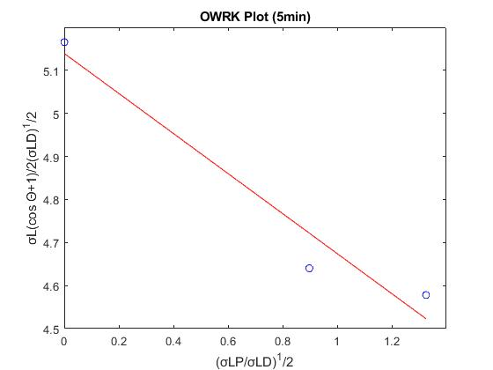

2] 10 minutes silanized Sylgard

r-square value is not good
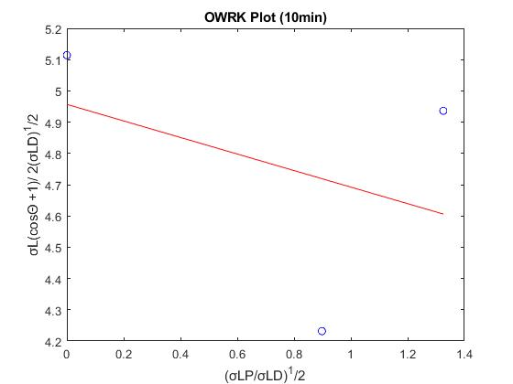

Comparison of Surface Energy (mJ/m^2)
 | 5 min | 10 min
Zisman | 18.82 | 15.93
OWRK | 26.63 | 24.64

Surface energy decreasing with increase in silanization time

